Dashboard
 |  |  |  | 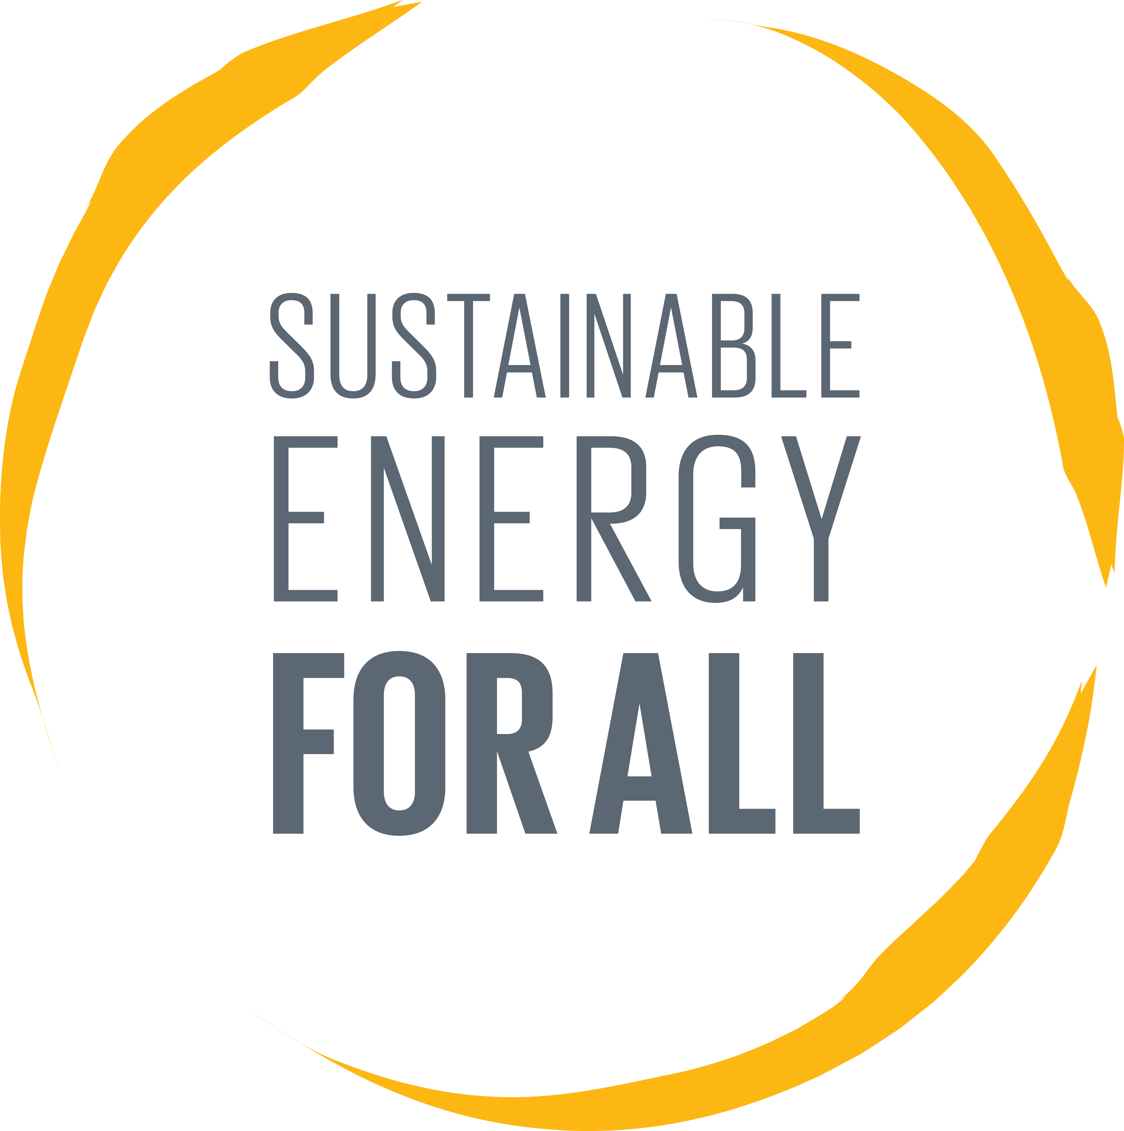
Country/Region | Benin
Baseline emissions based on previous access tier and customer type
 | Baseline emissions
Tier 1 Households | -
HHs with >Tier 2 or businesses or prodcutive use | 27,948
BASELINE ENERGY SOURCES & EMISSIONS
Baseline energy sources | Energy service | Technologies | % using technology
Tier 1 Households | Lighting | Kerosene lamps - general | -
 |  | Petrol generator | -
 |  | Solar PV | -
 | Non-lighting | Petrol generator | -
 |  | Diesel generator (previous source) | -
 |  | Solar PV | -

HHs with >Tier 2 or businesses or prodcutive use | All loads | Petrol generator | 100%
 |  | - | -
 |  | - | -
 |  | - | -
 |  | - | -
Baseline emissions
Tier 1 Households | Lighting - HHs | - | tons CO2e
Tier 1 Households | Non-lighting - HHs | - | tons CO2e
 | Total | - | tons CO2e
HHs with >Tier 2 or businesses or prodcutive use | All loads | 27,948 | tons CO2e
Total baseline emissions |  | 27,948 | tons CO2e

MINI-GRID GENERATION SOURCES & EMISSIONS
Connections
Max. # of connections - all |  | 10,000 | connections
Max. # of connections - Tier 2 households |  | 6,000 | connections
Annual Baseline Emissions
 | Total baseline CO2e emissions - Lighting (Households) | Total baseline CO2e emissions - Non-lighting loads (Households) | Total baseline CO2e emissions - Businesses/productive use
1 | - | - | 736
2 | - | - | 1,053
3 | - | - | 1,238
4 | - | - | 1,370
5 | - | - | 1,472
6 | - | - | 1,472
7 | - | - | 1,472
8 | - | - | 1,472
9 | - | - | 1,472
10 | - | - | 1,472
11 | - | - | 1,472
12 | - | - | 1,472
13 | - | - | 1,472
14 | - | - | 1,472
15 | - | - | 1,472
16 | - | - | 1,472
17 | - | - | 1,472
18 | - | - | 1,472
19 | - | - | 1,472
20 | - | - | 1,472
 | Total Baseline Emissions | Total Mini-grid Emissions
 | 736 | 384
 | 1,053 | 549
 | 1,238 | 646
 | 1,370 | 715
 | 1,472 | 768
 | 1,472 | 768
 | 1,472 | 768
 | 1,472 | 768
 | 1,472 | 768
 | 1,472 | 768
 | 1,472 | 768
 | 1,472 | 768
 | 1,472 | 768
 | 1,472 | 768
 | 1,472 | 768
 | 1,472 | 768
 | 1,472 | 768
 | 1,472 | 768
 | 1,472 | 768
 | 1,472 | 768
Max. # of connections - Tier 3 households, businesses & other prod. Use |  | 4,000 | connections

Consumption
Consumption - all connections over lifespan |  | 45,569,563 | kWh
Consumption - Tier 2 households over lifespan | Tier 2 households | 13,670,869 | kWh
Consumption - Tier 3 households, businesses & other prod. use over lifespan | Tier 3 households, businesses & other prod. use | 31,898,694 | kWh

Generating technology
Primary Generating Technology | Solar PV | 60%
Back-up Generating Technology | Diesel generator (mini-grid) | 40%

Mini-grid Emissions
Total emissions over mini-grid lifespan |  | 14,582 | Tons CO2e

OUTPUTS
Total baseline emissions |  | 27,948 | Tons CO2e
Emissions avoided over mini-grid lifespan |  | 13,366 | Tons CO2e
Mini-grid emissions |  | 14,582 | Tons CO2e
Average emisions avoided per annum |  | 668

